2(c)
ERM Exam Fall 2020

Question 2

Part (c)(i) | Calculate the expected payoff of each option under Strategy B. Show all work.

Strategy B general information
Notional Amount | 100,000,000 | EUR
Current 6-mo forward exchange rate | 1.50 | USD / EUR
Put exercise price | 1.49 | USD / EUR
Call exercise price | 1.51 | USD / EUR

$$μ$$
$$σ$$
Monte Carlo simulation amounts
Sample size | 100
 | 0.05
 | 0.3
Risk-free rate | 0.05 | compounded continuously
Final N(0,1) simulated value from the sample | 0.065
Average value of the risk-neutral payoffs for the first 99 simulations | 0.0806 | for put option
 | 0.0756 | for call option

Answer to be provided in the cells highlighted in yellow
 | Expected Payoff
Put option | 0.079794
Call option | 0.074990

Part i)

T | 0.5

S(1.5) | 1.5246

100th Simulation: | Expected Payoff
Call | 0.0146
Put | 0.0000

8
ERM Exam Fall 2020

Question 8

Refer to Case Study Section 0.9 for GAM financial information.

You are a consultant with Caerus who has been hired by GAM. The GAM Board wants assistance with two projects:

· Evaluation of an investment in a capital project
· Evaluation of de-risking options for the pension plan due to concerns about volatility of the funded position.

Responses for parts (b)(i), b(iii) and b(iv) are to be provided in the Word document. Answers to (a)(i), (a)(ii) and (b)(ii) are to be provided below.

(a) | (4 points) The Board provides you with information related to the capital project.
 | They have asked you to evaluate the project using the Weighted Average Cost of Capital (WACC) based on the most recent financial information and reflecting the holistic balance sheet.

Assume the following:

 |  | Expected Return of Project | 1.50%
 |  | Market Risk Premium | 5.50%
 |  | Expected Market Return | 6%
 |  | Corporate Equity Beta | 2.00
 |  | Corporate Debt Beta | 0.35
 |  | Pension Liability Beta | 0.30
 |  | Equity Beta | 1.00
 |  | Real Estate Beta | 1.00
 |  | Fixed Income Beta | 0.30
 |  | Equity Allocation | 50%
 |  | Fixed Income Allocation | 40%
 |  | Real Estate Allocation | 10%
 |  | Tax Rate | 0%

GAM Pension Plan (Extracted from Case Study Section 0.9)

 |  | 1/1/20 Balance Sheet | (in billions) |  | Other 2019 Financial Information | (in billions)
 |  | Company Assets | 144,600 |  | Pretax Income | 6,000
 |  | Pension Assets | 108,800 |  | Components of Pension Expense
 |  | Total Assets | 253,400 |  | Service Cost | 900
 |  |  |  |  | Interest Cost | 6,100
 |  |  |  |  | Expected Return on Assets | -7,500
 |  | Company Liabilities | 105,600 |  | (Gain)/Loss Amortization | 180
 |  | Pension Liabilities | 134,200 |  | Prior Service Cost Amortization | 10
 |  | Total Debt | 239,800 |  | Pension Contribution | 2,000
 |  |  |  |  | Actual Pension Return | 10,100
 |  | Equity | 13,600

 |  | 2019 Cash Flows | (in 000s) |  | 2020 Assumptions
 |  |  |  |  | Pension Liability Discount Rate | 4.75%
 |  | Operating Cash Flow | 7,500 |  | PBGC Variable Rate Premium | 3.00%
 |  | Financing Cash Flow | 750 |  | (as a % of unfunded liabilities)

(i) Recommend whether SLIC should proceed with the project. Justify your response.
ANSWER:
 |  | Markets already account for the holistic corporate balance sheet. Therefore, if the pension plan is not taken into account then the WACC is overestimated.

 |  | First, calculate the beta for pension assets: |  | 0.72 | β_PA=1*0.50 (equities)+1*0.10 (real estate)+0.3*0.4 (fixed income) = 0.72
 |  | Then calculate the beta for all operating assets: |  | 0.18 | β_OA=((β_D*Debt+ β_E*Equity+ β_PL*Pension Liability- β_PA*Pension Asets ))/OA
 |  | Calculate the risk free rate: |  | 0.50% | r_f=6.00% (expected market return)-5.50% (market risk premium)=0.5%
 |  | WACC is the risk free rate plus the β_OA * Equity Risk Premium: |  | 1.49% | WACC= 0.5% + 0.18*5.5% = 1.49%

 |  | As the expected return of the project exceeds the WACC incorporating the holistic corporate balance sheet, the recommendation is to proceed with the project.

(ii) Describe how this recommendation would change if the plan invested 100% in liability hedging investments.
ANSWER:
 |  | A fully hedged portfolio means the beta of the pension liabilities and pension assets will be the same. However the plan is underfunded, and so deficit needs to be included.
 |  | Calculate the new operating assets beta, replacing the Pension assets beta with the beta for pension liability:
 |  |  |  | 0.50
 |  | Calculate the new WACC: |  | 3.23%
 |  | As the expected return of the project is lower than the WACC the recommendation is not to proceed with the project.

You have presented the Board with the following graph which shows three different strategies (A, B, and C) which change the asset allocation
between liability-hedging assets and growth-oriented assets as the funded status improves.
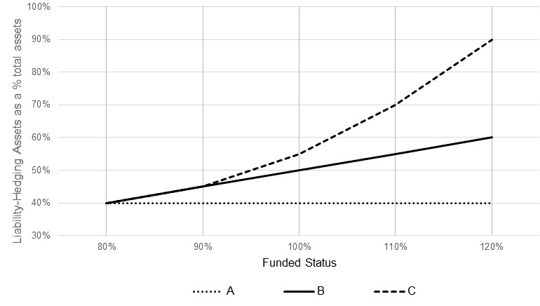

The Board has asked you to provide a numerical example of the concepts shown in the graph above.

Assume the plan has $100 million in liabilities.

b (ii) Calculate the dollar amounts invested into liability-hedging assets and growth-oriented assets for each of the three strategies at the following funded status levels:

· 80%
· 100%
· 120%

ANSWERS: |  | The following table illustrates the amount in growth and liability driven investments at each funding level of 80%, 100% and 120% for each strategy:
 |  |  | Liability Driven Investments: |  |  | Growth Assets
 | Funded Status | Total Assets | A | B | C | A | B | C
 | 80% | 80 | 32 | 32 | 32 | 48 | 48 | 48
 | 100% | 100 | 40 | 50 | 55 | 60 | 50 | 45
 | 120% | 120 | 48 | 72 | 108 | 72 | 48 | 12

