Question 6 (b)
Question 6
(6 points)
You are an actuarial analyst at the hedging department. The company is concerned that interest rates will decline
in the next 6 months, at which time it will have to reinvest treasury notes worth $100 million maturing in 6 months.
The company is first considering hedging the interest rate decline with a forward rate agreement (FRA).

Assume that the forward yield curve is a step function and the rates are continuously compounded:
$$f_{t}= \left\{\begin{aligned}f_{0} 0≤t<1 \\ \begin{matrix}2.99\% 1≤t<2 \\ 3.33\% 2≤t<5 \end{matrix} \\ 4.06\% 5≤t<10\end{aligned}\right.$$

The current market par swap rates for swaps with annual payments are as follows:

 | Maturity (years) | Fixed Rate (%)
 | 1 | 2
 | 2
 | 5
 | 10 | 3.5

(a) (1 point) Define the following terms:

 | (i) forward rate f (0,2,5)

 | (ii) par swap rate

$$f_{0},s_{2}, s_{5}$$
(b) (2 points) Calculate the corresponding rates such that the forward curve matches the swap curve.

 | Fill in your final answer here:
$$f_{0}$$

Instead of hedging with an FRA, the company could also hedge the interest rate risk by entering into the long position
of Eurodollar futures contracts where the underlying instrument is 3-month LIBOR.

(c) (1.5 point) Recommend which hedging instrument to use, and justify your recommendation
 | with 2 supporting arguments.

Your company would like to explore using option strategies on the underlying 6-month Treasury bill as protection
against the decline in interest rates. Strike price K is equivalent to the forward rate at time zero. Your company
wants to limit the cost of this protection.

(d) (1.5 points) Construct an appropriate option strategy for each of the two objectives below:

 | (i) Hedge against the decline in interest rates but still have some upward potential profit from an increase in interest rate.

 | (ii) Hedge against a significant decline in interest rates such that it will retain some risk but spend less on the protection.

 | Show your work here for part (b):

Question 8 (e) (f)
Question 8
(9 points)
You were given the short rate model with the following stochastic differential equation:

where a, b, σ are constant and is a standard Wiener process with respect to the measure .

Let B = B(r,t,T) be the price at time t of the default-free discount bond with maturity T.

Consider a self-financing portfolio, with a long position of units of a short-term bond
with maturity date T1 and a short position of units of long-term bond with
maturity date T2 > T1 chosen to eliminate interest rate risk.

(a) | (2.5 points) Show that

Denote by , which is independent of the maturity of the bond

from the result in part (a), and define the market price of risk

(b) | (0.5 points) Show that the price of a default-free discount bond satisfies
 | the following partial differential equation

(c) | (1 point) Describe the key features of this interest rate model.

You are given data on one month T-bill rates from 1960 to 2010.

(d) | (1 point) Explain how to estimate the interest rate model parameters, using the given data.
 | Identify the estimated parameters that can be used in pricing interest rate derivative.

Given the following information:

· Long-run mean of the spot rate: |  |  |  | b = 0.05
· Speed of mean reversion: |  |  |  | a = 0.25
· Absolute interest rate volatility: |  |  |  | = 0.015
· Market price of interest rate risk: |  |  |  | = - 0.1

(e) | (1.5 points) Calculate the default-free discount bond price with 30-year maturity
 | with r = 0.1%, 5%, and 10%.

 | Fill in your final answer here:
 | bond price with r=0.1%
 | bond price with r=5%
 | bond price with r=10%

(f) | (1.5 points) Generate the yield curves for the same set of spot rates in part €
 | with different maturities,1 through 30 years.

Yield curves
 | yield with r=0.1% | yield with r=5% | yield with r=10%
 | Fill in your final answer here:
 | T | yield with r=0.1% | yield with r=5% | yield with r=10%
 | 0
 | 1
 | 2
 | 3
 | 4
 | 5
 | 6
 | 7
 | 8
 | 9
 | 10
 | 11
 | 12
 | 13
 | 14
 | 15
 | 16
 | 17
 | 18
 | 19
 | 20
 | 21
 | 22
 | 23
 | 24
 | 25
 | 26
 | 27
 | 28
 | 29
 | 30

Since the financial crisis, negative interest rates have been used extensively. However, you noticed
that the company’s practice is still applying a zero floor to the scenarios generated from this interest rate model.

(g) | (1 point) Analyze the impact of zero floor on

(i) cost of guarantees;

(ii) discount factors and best estimate values;

(iii) martingality of economic scenarios and company’s capital position.

 | Show your work here for part (e):

 | Show your work here for part (f):

Question 12 (d) (e)
Question 12
(9 points) For an exotic option E with the following payoff:

· m (S – 150)+ 50, if S > 150
· 2 (S – 100)+ 50, if S < 100
· 50 , otherwise,

where S is an underlying equity with no dividend; m is constant.

(a) (1 point)

(i) Sketch the payoff graph for option E, using m = 2.

(ii) Build a static hedging strategy with vanilla options to hedge the equity risk.

(b) (3 points)

(i) Define the following Greeks: Delta, Gamma, Vega, and Theta.

(ii) Sketch Delta graph for option E using m = 2 and justify your answers.
(Hint: Build from vanilla options.)

(iii) Determine which figure corresponds to Gamma, Vega, and Theta, respectively.
Justify your answers.
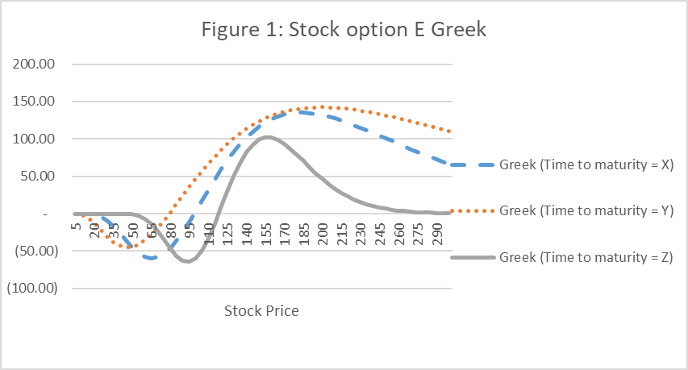

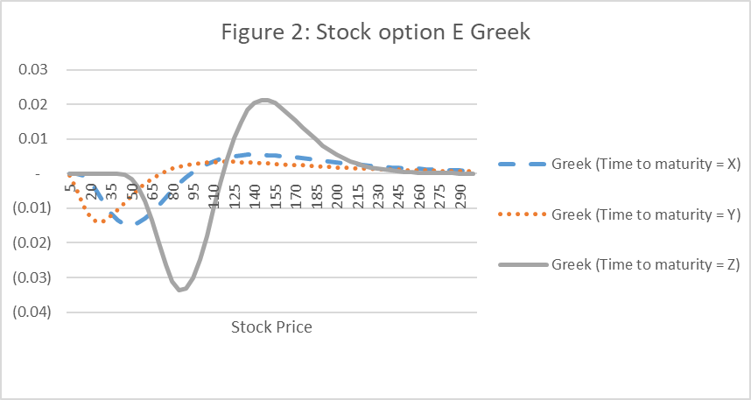

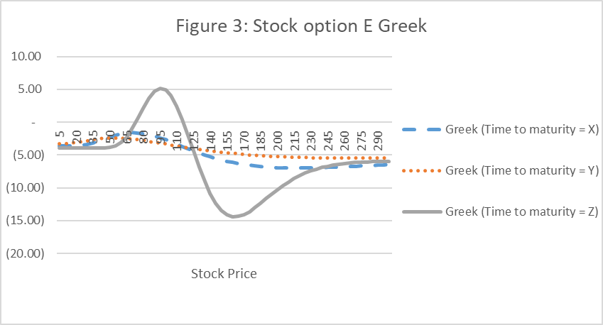

Your coworker proposes to trade on the convexity of volatility skew with option E.

(c) (1.5 points)

(i) Explain what the volatility skew is.

(ii) List three reasons why the volatility skew exists.

(iii) Explain why option E is not the suitable vehicle to trade on convexity
of volatility skew.

You are given the following for vanilla options on non-dividend paying stock.

 | Underlying S | 100 | 100 | 100 | 100
 | Strike K | 50 | 100 | 150 | 200
 | Volatility | 27.70% | 23.30% | 21.20% | 21.40%

 | T-t | 5 | 5 | 5 | 5
 | r | 2% | 2% | 2% | 2%
 | d1 | 1.59 | 0.45 | -0.41 | -1
 | d2 | 0.97 | -0.07 | -0.88 | -1.48
 | N(d1) | 0.9443 | 0.6745 | 0.34188 | 0.15909
 | N(d2) | 0.83487 | 0.47287 | 0.18905 | 0.06979
 | (d1) | 0.11236 | 0.36014 | 0.36718 | 0.24241
 | (d2) | 0.24836 | 0.39802 | 0.27053 | 0.13395

Your coworker is asking for your help to build a Vega-neutral option
to trade on the convexity of volatility skew, expecting

· Increase in the volatility convexity
· Higher future volatility than the current implied volatility.
· Symmetric payoff against stock price, centered at the current level

(d) (1.5 points)
 | (i) Determine for option

 | Fill in your final answer here:

 | (ii) Solve for so that option is Vega-neutral.

 | Fill in your final answer here:

The stock price decreases from 100 to 80 the next day, impacting the implied volatilities as below.
(Time decay of 1 day is ignored.)

 | Underlying S | 80 | 80 | 80 | 80
 | Strike K | 50 | 100 | 150 | 200
 | Volatility | 27.70% | 30.00% | 38.90% | 63.10%

 | T-t* | 5 | 5 | 5 | 5
 | r | 2% | 2% | 2% | 2%
 | d1 | 1.23 | 0.15 | -0.17 | 0.13
 | d2 | 0.61 | -0.52 | -1.04 | -1.28
 | (d1) | 0.8659 | 0.56034 | 0.43147 | 0.55071
 | (d2) | 0.61503 | 0.30189 | 0.14857 | 0.09956
 | (d1) | 0.187 | 0.39437 | 0.39304 | 0.39572
 | (d2) | 0.33067 | 0.34868 | 0.23167 | 0.17493

(e) (2 points)

(i) Calculate the gain/loss of option
. | Fill in your final answer here:
 | gain/loss

(ii) Demonstrate how option is an effective vehicle to take position on
volatility convexity, given the result in part (e)(i)

 | Show your work here for part (d):

 | Show your work here for part (e)(i):

