Weights
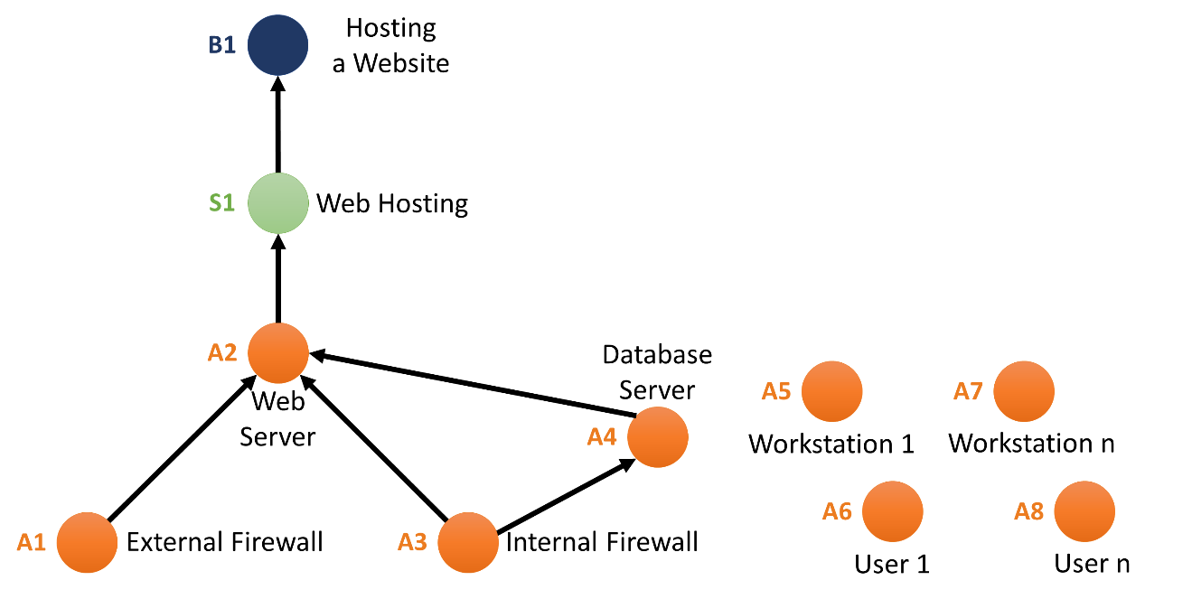
Table 7. Impact Graph Nodes' CIA Weights and Descriptions
Node | Name | Type |  |  |  | Description
A1 | External Firewall | Asset | 0.10 | 0.45 | 0.45 | Filters traffic to the web server.
A2 | Web Server | Asset | 0.10 | 0.20 | 0.70 | Hosts online course website
A3 | Internal Firewall | Asset | 0.10 | 0.45 | 0.45 | Filters traffic between web server and database server
A4 | Database Server | Asset | 0.35 | 0.35 | 0.30 | Archive of online course videos and files. Personal Identifiable Information of employees of students and faculty.
S1 | Web Hosting | Service | 0.20 | 0.30 | 0.50 | Delivery of an up and running web site with online course contents.
B1 | Delivering Online Courses | Business Process | 0.10 | 0.45 | 0.45 | Delivering online education to higher education students.

Figure 31. Impact Graph for the Simulation

Impact Graph
Impact Graph Analysis
 |  |  |  |  |  |  |  |  |  |  |  |  |  | calculation order
Operability Values |  |  |  |  | Inputs of analyses |  |  |  |  |  |  |  |  |  | receiver | # of feeders |  | Table 8. Strength of dependency between feeder (rows) and receiver (columns) node pairs (copy) |  |  |  |  |  |  |  |  |  |  |  |  |  |  |  |  |  |  |  |  | Table 9. Criticality of dependency between feeder (rows) and receiver (columns) node pairs (copy)
 | Operability | SE |  |  | Outputs of analyses |  |  |  |  |  |  |  |  | 1 | A4C | 2 |  |  |  | j receiver |  |  |  |  |  |  |  |  |  |  |  |  |  |  |  |  |  |  |  |  | j receiver
A1C | 100 |  |  |  |  |  |  |  |  |  |  |  |  |  | A4I | 1 |  |  | ALPHA | A1C | A1I | A1A | A2C | A2I | A2A | A3C | A3I | A3A | A4C | A4I | A4A | S1C | S1I | S1A | B1C | B1I | B1A |  |  | BETA | A1C | A1I | A1A | A2C | A2I | A2A | A3C | A3I | A3A | A4C | A4I | A4A | S1C | S1I | S1A | B1C | B1I | B1A
A1I | 100 |  |  |  |  |  |  |  |  |  |  |  |  |  | A4A | 2 |  | i feeder | A1C |  |  |  | 0.3 |  |  |  |  |  |  |  |  |  |  |  |  |  |  |  | i feeder | A1C |  |  |  | 50
A1A | 100 |  |  |  |  | cost | $34,821 |  |  |  |  |  |  | 2 | A2C | 6 |  |  | A1I |  |  |  | 0.3 | 0.5 | 0.9 |  |  |  |  |  |  |  |  |  |  |  |  |  |  | A1I |  |  |  | 50 | 50 | 10
A2C | 70 | 0.70 |  |  |  |  |  |  |  |  |  |  |  |  | A2I | 3 |  |  | A1A |  |  |  |  |  | 0.8 |  |  |  |  |  |  |  |  |  |  |  |  |  |  | A1A |  |  |  |  |  | 10
A2I | 70 | 0.70 |  |  |  | P(C) | 0.30 | web |  |  |  |  |  |  | A2A | 6 |  |  | A2C |  |  |  |  |  |  |  |  |  |  |  |  | 1 |  |  |  |  |  |  |  | A2C |  |  |  |  |  |  |  |  |  |  |  |  | 0
A2A | 58.8 | 0.70 |  |  |  | P(A) | 0.36 | db |  |  |  |  |  | 3 | S1C | 2 |  |  | A2I |  |  |  |  |  |  |  |  |  |  |  |  | 1 | 1 | 1 |  |  |  |  |  | A2I |  |  |  |  |  |  |  |  |  |  |  |  | 0 | 0 | 0
A3C | 100 |  |  |  |  |  |  |  |  |  |  |  |  |  | S1I | 1 |  |  | A2A |  |  |  |  |  |  |  |  |  |  |  |  |  |  | 1 |  |  |  |  |  | A2A |  |  |  |  |  |  |  |  |  |  |  |  |  |  | 0
A3I | 100 |  |  |  |  |  |  |  |  |  |  |  |  |  | S1A | 2 |  |  | A3C |  |  |  | 0.8 |  |  |  |  |  | 0.8 |  |  |  |  |  |  |  |  |  |  | A3C |  |  |  | 20 |  |  |  |  |  | 20
A3A | 100 |  |  |  |  |  | Figure 26. Impact Graph |  |  |  |  |  |  | 4 | B1C | 2 |  |  | A3I |  |  |  | 0.9 | 0.8 | 0.5 |  |  |  | 1 | 0.9 | 0.5 |  |  |  |  |  |  |  |  | A3I |  |  |  | 10 | 20 | 30 |  |  |  | 0 | 10 | 50
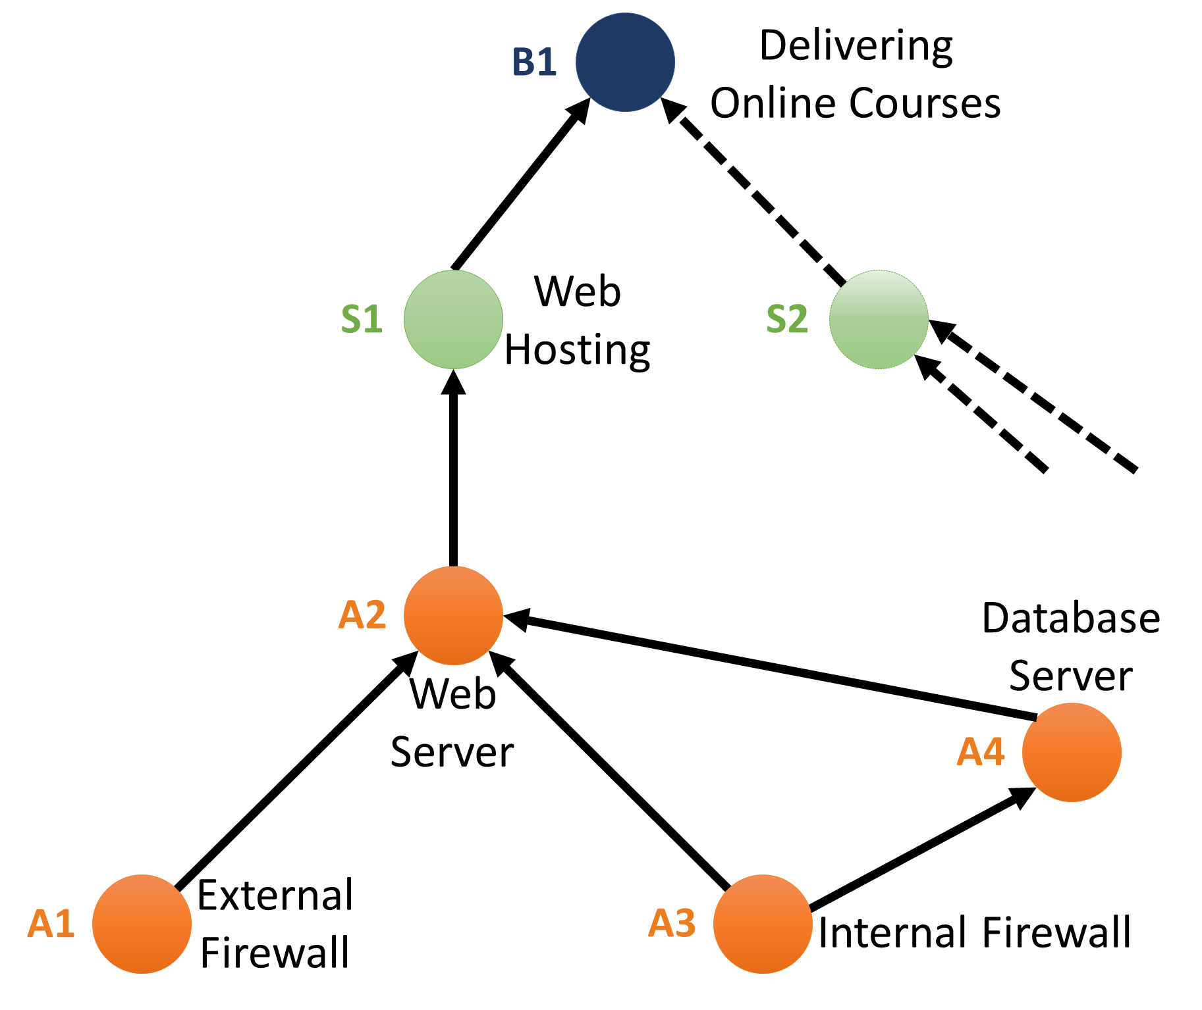
A4C | 100 | 1.00 |  |  |  |  |  |  |  |  |  |  |  |  | B1I | 1 |  |  | A3A |  |  |  |  |  | 0.3 |  |  |  |  |  | 0.5 |  |  |  |  |  |  |  |  | A3A |  |  |  |  |  | 30 |  |  |  |  |  | 50
A4I | 100 | 1.00 |  |  |  |  |  |  |  |  |  |  |  |  | B1A | 2 |  |  | A4C |  |  |  | 0.5 |  |  |  |  |  |  |  |  |  |  |  |  |  |  |  |  | A4C |  |  |  | 25
A4A | 64 | 0.64 |  |  |  |  |  |  |  |  |  |  |  |  |  |  |  |  | A4I |  |  |  | 0.1 | 1 | 0.1 |  |  |  |  |  |  |  |  |  |  |  |  |  |  | A4I |  |  |  | 50 | 0 | 80
S1C | 70 | 1.00 |  |  |  |  |  |  |  |  |  |  |  |  |  |  |  |  | A4A |  |  |  |  |  | 0.8 |  |  |  |  |  |  |  |  |  |  |  |  |  |  | A4A |  |  |  |  |  | 20
S1I | 70 | 1.00 |  |  |  |  |  |  |  |  |  |  |  |  |  |  |  |  | S1C |  |  |  |  |  |  |  |  |  |  |  |  |  |  |  | 0.4 |  |  |  |  | S1C |  |  |  |  |  |  |  |  |  |  |  |  |  |  |  | 60
S1A | 58.8 | 1.00 |  |  |  |  |  |  |  |  |  |  |  |  |  |  |  |  | S1I |  |  |  |  |  |  |  |  |  |  |  |  |  |  |  | 0.4 | 0.4 | 0.4 |  |  | S1I |  |  |  |  |  |  |  |  |  |  |  |  |  |  |  | 55 | 60 | 55
B1C | 88 | 1.00 |  |  |  |  |  |  |  |  |  |  |  |  |  |  |  |  | S1A |  |  |  |  |  |  |  |  |  |  |  |  |  |  |  |  |  | 0.4 |  |  | S1A |  |  |  |  |  |  |  |  |  |  |  |  |  |  |  |  |  | 60
B1I | 88 | 1.00 |  |  |  |  |  |  |  |  |  |  |  |  |  |  |  |  | B1C |  |  |  |  |  |  |  |  |  |  |  |  |  |  |  |  |  |  |  |  | B1C
B1A | 85.76 | 1.00 |  |  |  |  |  |  |  |  |  |  |  |  |  |  |  |  | B1I |  |  |  |  |  |  |  |  |  |  |  |  |  |  |  |  |  |  |  |  | B1I
 |  |  |  |  |  |  |  |  |  |  |  |  |  |  |  |  |  |  | B1A |  |  |  |  |  |  |  |  |  |  |  |  |  |  |  |  |  |  |  |  | B1A

Calculations between pages 60-66
A4C |  |  |  |  |  |  |  | A4I |  |  | A4A
Two Feeders |  |  |  |  |  |  |  | One feeder |  |  | Two Feeders
 | Inputs |  |  |  |  |  |  |  | Inputs |  |  | Inputs
A3C | 100 |  | A3I | 100 |  |  |  | A3I | 100 |  | A3I | 100 |  | A3A | 100
alphai1j | 0.8 |  | alphai2j | 1 |  |  |  | alphaij | 0.9 |  | alphai1j | 0.5 |  | alphai2j | 0.5
betai1j | 20 |  | betai2j | 0 |  |  |  | betaij | 10 |  | betai1j | 50 |  | betai2j | 50

SODPj | 100 |  |  |  |  |  |  | SODPj | 100 |  | SODPj | 100
CODPji1 | 120 |  |  |  |  |  |  | CODPj | 110 |  | CODPji1 | 150
CODPji2 | 100 |  |  |  |  |  |  |  | Output |  | CODPji2 | 150
 | Output |  |  |  |  |  |  | A4I | 100 |  |  | Output
A4C | 100 |  |  |  |  |  |  |  |  |  | A4A | 100

A2C |  |  |  |  |  |  |  |  |  |  |  |  |  |  |  |  | A2I |  |  |  |  |  |  |  |  | A2A
Six Feeders |  |  |  |  |  |  |  |  |  |  |  |  |  |  |  |  | Three Feeders |  |  |  |  |  |  |  |  | Six Feeders
 | Inputs |  |  |  |  |  |  |  |  |  |  |  |  |  |  |  |  | Inputs |  |  |  |  |  |  |  |  | Inputs
A1C | 100 |  | A1I | 100 |  | A3C | 100 |  | A3I | 100 |  | A4C | 100 |  | A4I | 100 | A1I | 100 |  | A3I | 100 |  | A4I | 100 |  | A1I | 100 |  | A1A | 100 |  | A3I | 100 |  | A3A | 100 |  | A4I | 100 |  | A4A | 64
alphai1j | 0.3 |  | alphai2j | 0.3 |  | alphai3j | 0.8 |  | alphai4j | 0.9 |  | alphai5j | 0.5 |  | alphai6j | 0.1 | alphai1j | 0.5 |  | alphai2j | 0.8 |  | alphai3j | 1 |  | alphai1j | 0.9 |  | alphai2j | 0.8 |  | alphai3j | 0.5 |  | alphai4j | 0.3 |  | alphai5j | 0.1 |  | alphai6j | 0.8
betai1j | 50 |  | betai2j | 50 |  | betai3j | 20 |  | betai4j | 10 |  | betai5j | 25 |  | betai6j | 50 | betai1j | 50 |  | betai2j | 20 |  | betai3j | 0 |  | betai1j | 10 |  | betai2j | 10 |  | betai3j | 30 |  | betai4j | 30 |  | betai5j | 80 |  | betai6j | 20

SODPj | 100 |  |  |  |  |  |  |  |  |  |  |  |  |  |  |  | SODPj | 100 |  |  |  |  |  |  |  | SODPj | 95.2
CODPji1 | 150 |  |  |  |  |  |  |  |  |  |  |  |  |  |  |  | CODPji1 | 150 |  |  |  |  |  |  |  | CODPji1 | 110
CODPji2 | 150 |  |  |  |  |  |  |  |  |  |  |  |  |  |  |  | CODPji2 | 120 |  |  |  |  |  |  |  | CODPji2 | 110
CODPji3 | 120 |  |  |  |  |  |  |  |  |  |  |  |  |  |  |  | CODPji3 | 100 |  |  |  |  |  |  |  | CODPji3 | 130
CODPji4 | 110 |  |  |  |  |  |  |  |  |  |  |  |  |  |  |  |  | Output |  |  |  |  |  |  |  | CODPji4 | 130
CODPji5 | 125 |  |  |  |  |  |  |  |  |  |  |  |  |  |  |  | A2I | 100 |  |  |  |  |  |  |  | CODPji5 | 180
CODPji6 | 150 |  |  |  |  |  |  |  |  |  |  |  |  |  |  |  |  |  |  |  |  |  |  |  |  | CODPji6 | 84
 | Output |  |  |  |  |  |  |  |  |  |  |  |  |  |  |  |  |  |  |  |  |  |  |  |  |  | Output
A2C | 100 |  |  |  |  |  |  |  |  |  |  |  |  |  |  |  |  |  |  |  |  |  |  |  |  | A2A | 84

S1C |  |  |  |  |  |  |  | S1I |  |  | S1A
Two Feeders |  |  |  |  |  |  |  | One feeder |  |  | Two Feeders
 | Inputs |  |  |  |  |  |  |  | Inputs |  |  | Inputs
A2C | 70 |  | A2I | 70 |  |  |  | A2I | 70 |  | A2I | 70 |  | A2A | 58.8
alphai1j | 1 |  | alphai2j | 1 |  |  |  | alphaij | 1 |  | alphai1j | 1 |  | alphai2j | 1
betai1j | 0 |  | betai2j | 0 |  |  |  | betaij | 0 |  | betai1j | 0 |  | betai2j | 0

SODPj | 70 |  |  |  |  |  |  | SODPj | 70 |  | SODPj | 64.4
CODPji1 | 70 |  |  |  |  |  |  | CODPj | 70 |  | CODPji1 | 70
CODPji2 | 70 |  |  |  |  |  |  |  | Output |  | CODPji2 | 58.8
 | Output |  |  |  |  |  |  | S1I | 70 |  |  | Output
S1C | 70 |  |  |  |  |  |  |  |  |  | S1A | 58.8

B1C |  |  |  |  |  |  |  | B1I |  |  | B1A
Two Feeders |  |  |  |  |  |  |  | One feeder |  |  | Two Feeders
 | Inputs |  |  |  |  |  |  |  | Inputs |  |  | Inputs
S1C | 70 |  | S1I | 70 |  |  |  | S1I | 70 |  | S1I | 70 |  | S1A | 58.8
alphai1j | 0.4 |  | alphai2j | 0.4 |  |  |  | alphaij | 0.4 |  | alphai1j | 0.4 |  | alphai2j | 0.4
betai1j | 60 |  | betai2j | 55 |  |  |  | betaij | 60 |  | betai1j | 55 |  | betai2j | 60

SODPj | 88 |  |  |  |  |  |  | SODPj | 88 |  | SODPj | 85.76
CODPji1 | 130 |  |  |  |  |  |  | CODPj | 130 |  | CODPji1 | 125
CODPji2 | 125 |  |  |  |  |  |  |  | Output |  | CODPji2 | 118.8
 | Output |  |  |  |  |  |  | B1I | 88 |  |  | Output
B1C | 88 |  |  |  |  |  |  |  |  |  | B1A | 85.76

Outputs
Outputs |  |  |  |  |  |  |  |  |  |  | Table 17. Cost of attack table for the simulation (copy)
 |  |  |  |  |  |  |  |  |  |  |  | C | I | A | Day of week | ti | duration (days) | di | Cost C | Cost I | Cost A | Total Cost
Operability Values (copy) |  |  | Table 16. Summary results of IG analyses (copy) |  |  |  |  |  |  |  | Loss of IP | $- |  |  |  |  |  |  | $- | $- | $- | $-
 | V | SE |  | VC | VI | VA | wC | wI | wA | P | Loss of Strategic Information | $- | $- | $- |  |  |  |  | $- | $- | $- | $-
A1C | 100 |  | A1 | 100 | 100 | 100 | 0.10 | 0.45 | 0.45 | 100 | Reputational Damage | $3,622 | $4,251 | $4,648 | 7 | 1 | 9.74 | 1.1 | $477 | $560 | $726 | $1,763
A1I | 100 |  | A2 | 70 | 70 | 58.8 | 0.10 | 0.20 | 0.70 | 62.16 | Increased Cost of Capital | $- |  |  | 7 | 1 | 9.74 | 1.1 | $- | $- | $- | $-
A1A | 100 |  | A3 | 100 | 100 | 100 | 0.10 | 0.45 | 0.45 | 100 | Cyber Security Improvements | $20,000 | $30,000 | $30,000 | 7 | 1 | 9.74 | 1.1 | $2,634 | $3,950 | $4,688 | $11,272
A2C | 70 | 0.7 | A4 | 100 | 100 | 64 | 0.35 | 0.35 | 0.30 | 89.2 | Loss of data and Equipment | $7,182 | $7,807 | $6,270 | 7 | 1 | 9.74 | 1.1 | $946 | $1,028 | $980 | $2,954
A2I | 70 | 0.7 | S1 | 70 | 70 | 58.8 | 0.20 | 0.30 | 0.50 | 64.4 | Loss of Revenue | $- | $- | $86,029 | 7 | 1 | 9.74 | 1.1 | $- | $- | $13,443 | $13,443
A2A | 58.8 | 0.7 | B1 | 88 | 88 | 85.76 | 0.10 | 0.45 | 0.45 | 86.992 | PR | $2,681 | $2,923 | $3,812 | 7 | 1 | 9.74 | 1.1 | $353 | $385 | $596 | $1,334
A3C | 100 |  |  |  |  |  |  |  |  |  | Regulatory Penalties | $- | $- | $- | 7 | 1 | 9.74 | 1.1 | $- | $- | $- | $-
A3I | 100 |  |  |  |  |  |  |  |  |  | Customer Protection | $- |  |  | 7 | 1 | 9.74 | 1.1 | $- | $- | $- | $-
A3A | 100 |  |  |  |  |  |  |  |  |  | Breach Notifications | $- |  |  | 7 | 1 | 9.74 | 1.1 | $- | $- | $- | $-
A4C | 100 | 1 |  |  |  |  |  |  |  |  | Court Settlement Fees | $5,000 | $5,812 | $5,000 | 7 | 1 | 9.74 | 1.1 | $658 | $765 | $781 | $2,205
A4I | 100 | 1 |  |  |  |  |  |  |  |  | Forensics | $4,162 | $3,363 | $5,503 | 7 | 1 | 9.74 | 1.1 | $548 | $443 | $860 | $1,851
A4A | 64 | 0.64 |  |  |  |  |  |  |  |  |  |  |  |  |  |  |  |  | $5,616 | $7,131 | $22,074 | $34,821
S1C | 70 | 1 |  |  |  |  |  |  |  |  | Summary Results Table |  |  |  |  |  |  |  | 16% | 20% | 63%
S1I | 70 | 1 |  |  |  |  |  |  |  |  |  | Cost C | Cost I | Cost A | Total Cost
S1A | 58.8 | 1 |  |  |  |  |  |  |  |  | Loss of Revenue | $- | $- | $13,443 | $13,443
 |  |  |  |  |  |  |  |  |  |  | Cybersecurity Improvements | $2,634 | $3,950 | $4,688 | $11,272
 |  |  |  |  |  |  |  |  |  |  | Loss of Data and Equipment | $946 | $1,028 | $980 | $2,954
 |  |  |  |  |  |  |  |  |  |  | Court Settlement Fees | $658 | $765 | $781 | $2,205
 |  |  |  |  |  |  |  |  |  |  | Forensics | $548 | $443 | $860 | $1,851
 |  |  |  |  |  |  |  |  |  |  | Reputational Damage | $477 | $560 | $726 | $1,763
 |  |  |  |  |  |  |  |  |  |  | PR | $353 | $385 | $596 | $1,334

 |  |  |  |  |  |  |  |  |  |  | Figure 34. Simulation results comparing loss items |  |  |  |  |  |  |  |  | Figure 35. Simulation results from the perspective of CIA

